Question 1
Data Drifters
Thato Msina
Fikile Noyila
Lesedi Mphachake
Jereshan Sinan
Kaylene Martins
Team Members

Week 3 Project

Question 1

1b) Data Type Description

The dataset contains structured data because it is organized into a rigid, tabular format consisting of rows and columns. Each column has a specific, predefined data type (such as integers for IDs, dates for hiring, and decimals for salary), and every record follows the same schema. This high level of organization allows the data to be easily searched, grouped, and analyzed using computational tools like Python’s Pandas library and Excel Pivot Tables.

1c) Column Identification and Purpose

Column Name | Purpose
employee_id | A unique numerical identifier assigned to each staff member to distinguish them from others, especially in cases of identical names.
first_name | The employee's legal first name, used for primary identity and internal communication.
last_name | The employee's legal last name, used for formal record-keeping and identity verification.
email | The official contact address; used for correspondence and to verify data integrity (e.g., checking for valid formatting).
gender | Used for demographic analysis and to monitor diversity and inclusion within the workforce.
department | Categorizes employees into functional business units (e.g., Sales, Engineering), enabling department-specific reporting.
job_title | Defines the specific role or professional rank held by the employee within their department.
hire_date | The date the employee officially started work; essential for calculating length of service and growth trends.
exit_date | The date an employee left the company (if applicable); used to calculate turnover rates.
is_active | A boolean flag (True/False) that quickly identifies whether the person is currently employed or has left the organization.
salary | The numerical value representing the employee's compensation, used for budget totals and average pay calculations.
currency | Indicates the currency of payment (e.g., USD, GBP, ZAR), vital for accurate financial reporting in multinational companies.
country | Identifies the country where the employee is based for geographical workforce distribution analysis.
state | Provides the specific state or province of the employee's location.
city | Provides the specific city of the employee's location for localized reporting.
manager_id | Links an employee to their supervisor’s unique ID, used to build organizational charts and reporting hierarchies.
performance_score | A rating or grade assigned to the employee, used to analyze productivity and identify top performers.
email_valid | A boolean flag indicating if the email address provided is in a correct and reachable format.
date_sequence_error | A data quality flag used to identify records where the exit date occurs before the hire date.
hire_year | (Calculated) A Hidden column derived from the hire_date to simplify the process of counting annual recruitment totals in Pivot Tables.

Question 2
Data Drifters
Thato Msina
Fikile Noyila
Lesedi Mphachake
Jereshan Sinan
Kaylene Martins
Team Members

Week 5 Project

Headcount By Department
Q1.1
Q2.1
Student Analytics Dashboard
Summary of student insights

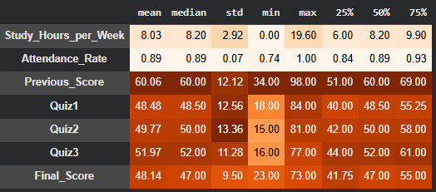

Q2.3

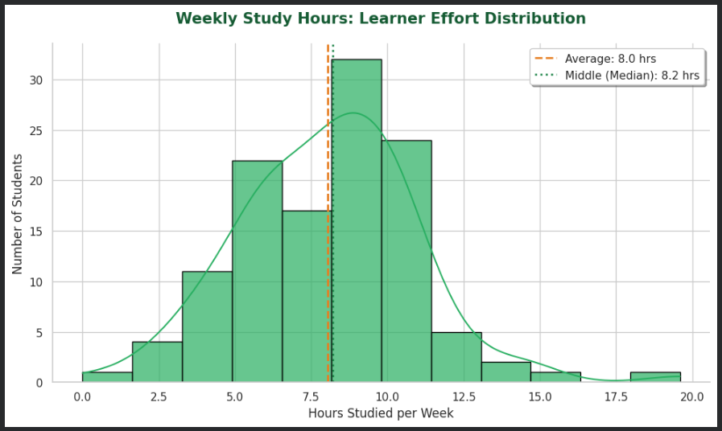

Q1.2
Handling missing values
Q2.2
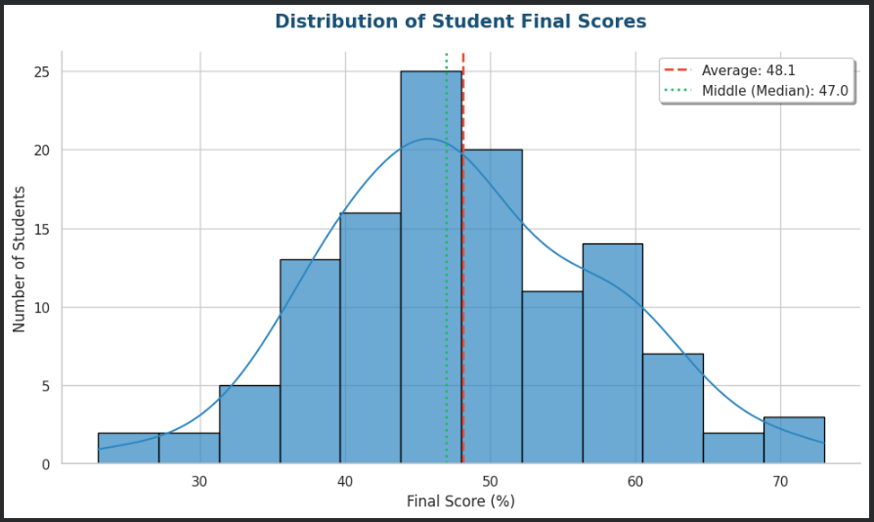

Duplicate Removal:
*We remove any identical rows to prevent individual students from skewing the results.
IMPUTATION:
*To keep our sample size high, we fill missing gaps rather than dropping students.
*We use the MEDIAN for Study Hours and Quizzes because it's not affected by extreme outlier scores.
*We use the MEAN for Attendance Rate as it typically follows a very consistent average.

Duplicate Removal:
*We remove any identical rows to prevent individual students from skewing the results.
IMPUTATION:
*To keep our sample size high, we fill missing gaps rather than dropping students.
*We use the MEDIAN for Study Hours and Quizzes because it's not affected by extreme outlier scores.
*We use the MEAN for Attendance Rate as it typically follows a very consistent average.
Top 5 Managers by Team Size
Percentage of Valid Emails

Q2.4

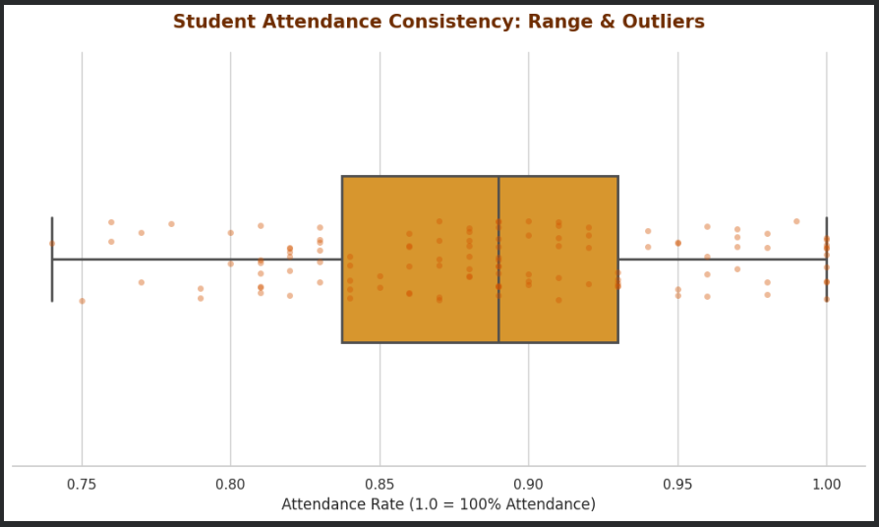

Q2.5
Skewness/Outliers & What They Imply.

The student dataset demonstrates a distribution that is generally symmetric with a slight positive skewness in categories such as Study Hours per Week and Previous Scores. This positive skew implies that while the majority of students cluster around the average performance level, a small subgroup is dedicated to significantly more study time or enters the program with higher-than-average baseline scores.Several outliers were identified in almost every category except Attendance and Final Scores, with the most significant deviations occurring in Study Hours per Week. These outliers represent exceptional cases or "high achievers" whose extreme data points pull the calculated mean slightly higher than the median, making the average appear higher than what the typical student experiences.Because the Final Score remains relatively symmetric and free of outliers, it suggests that these extreme initial efforts do not always result in extreme final grade variances. Overall, the data implies a stable and consistent student body with only a few individuals operating at extreme levels of academic intensity or performance.
Notebook: Link

Metric | Observation
Total Rows / Columns | 121 Rows / 10 Columns
Data Types | 3 Categorical (ID, Gender, Subject), 7 Numeric (Scores, Hours, Rate)
Missing Values | Study_Hours (5), Attendance_Rate (5), Quiz2 (5)
Duplicates | 1 Duplicate Row identified

